Sheet1
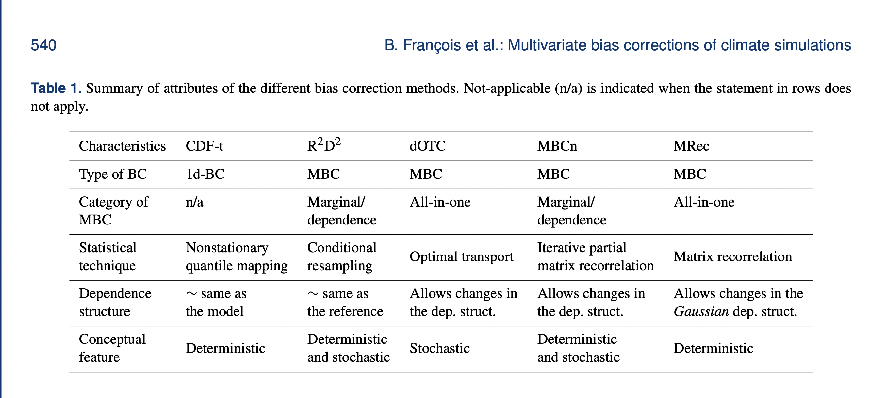
Technique | Initial Impression | Package available | Language | Result
Cumulative distribution function transform (CDF-t) | Derived from Quantile Mapping - univariate bias correction technique. CDF-t is used for downscaling of multivarite climate data | Yes | R | Not particularly useful for our usecase
Rank Resampling for Distributions and dependencies | multivariate correction technique that first performs a univariate correction and then reorders the ranks | Yes | R | Fails to map multiple inputs to a set number of outputs. Further research required to conclusively rule out this method. Some published work available but always map fixed number of inputs to the same number of outputs.
Dynamical optimal transport correction | Corrects the marginal distributions and dependence structures at the same time. | Yes | R
Multivariate bias correction with N-dimensional probability density function transform (MBCn) | Used for image processing. First step is to use 1d-BC. Then iteratively corrects the ranking structure. | Yes | R
Matrix recorrelation

